Sheet1
Squire | Miko | Guard | Flame User | Pirate | Wind Seer | Beastling | Water Seer | Mariner | Aqua Squire
Ragnarok | Roaring Dragon | Heat Wave | Fume | Chop | Plasma | Speedpunch | Ice Horn | Dust | Dust
Quake | Weapon Grace | Fireorb | Beam | Beam | Bind | Slash | Restore | Glacier | Douse
Cure | Cure | Guard | Blaze | Fume | Impact | Restore | Ply | Cool | Ply
Revive | Revive | Impair | Aura | Thermal | Breeze | Boon | Wish | Ply | Break

Brute | Curse Mage | Hermit | Page | Apprentice | Scrapper |  |  | Crusader | Swordsman | Aqua Seer | Aqua Pilgrim | Air Seer | Air Pilgrim
Planet Diver | Undead Curse | Prism | Astral Blast | Astral Blast | Speedpunch |  |  | Cutting Edge | Cutting Edge | Froth | Beam | Bolt | Volcano
Spire | Raging Heat | Plasma | Impact | Gaia | Psynergy Slam |  |  | Thorn | Blast | Growth | Prism | Growth | Plasma
Impair | Toxic Grit | Impact | Guard | Dull | Psynergy Surge |  |  | Revive | Thermal | Elder Wood | Aura | Breeze | Ward
Revive | Impair | Wish | Ward | Impact | Growth |  |  | Ply | Ply | Revive | Phoenix | Revive | Aura
Starburst | Curse/ Condemn | Bind | Volcano | Cure | Boon |  |  | Sand | Protect | Poison/Taint | Thermal | Cure | Bind

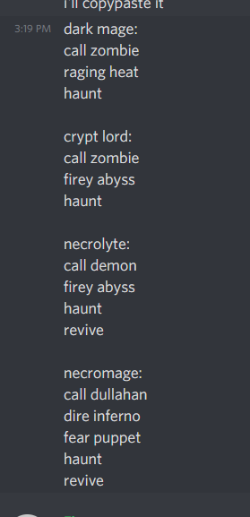
Samurai | Ninja | Dragoon |  | Ranger | White Mage | Medium
Quick Strike | Death Plunge | Cutting Edge |  | Magma | Prism | Ray
Dragon Cloud | Shuriken | Rockfall |  | Thunderclap | Plasma | Froth
Helm Splitter | Annihilation | Fire Bomb |  | Douse | Restore | Call x
Demon Spear | Gale | Restore |  | Break | Wish Well | Cure
Magic Shell | Punji | Wish |  | Boon | Revive | Revive

 | Squire | Miko | Guard | Flame User | Pirate | Wind Seer | Beastling | Water Seer | Mariner | Aqua Squire
Unlock | Default | Default | Default | Default | Default | Default | Default | Default | Default | Default
Upgrade | VenusDjinn | VenusDjinn | MarsDjinn | MarsDjinn | MarsDjinn | JupiterDjinn | JupiterDjinn | MercuryDjinn | MercuryDjinn | MercuryDjinn

 | Brute | Curse Mage | Hermit | Page | Apprentice | Scrapper |  | Crusader | Swordsman | Aqua Seer | Aqua Pilgrim | Air Seer | Air Pilgrim
Unlock | Battles Won | Say Curse OR quote matthew | 5 times in same town in a row or be on server for 30 days | Look up classes | Look up psynergy | User commands |  | Unlock x Towns | Write in Colosso talks, Win a PvP battle | Win 4 RPS | Finish Merc LH | Do an 8-ball? | Unlock x Dungeons or switch channels
Upgrade | Battles Won | Wear cursed gear on Mage Set | Days active | Unlocked Classes | Unlocked Classes | Battles Won |  | Dungeons Completed | Battles Won | Have Djinn | Dungeons Completed | Have Djinn | Dungeons Completed

 | Samurai | Ninja | Dragoon |  | Ranger | White Mage | Medium
Unlock
Upgrade

